Stats
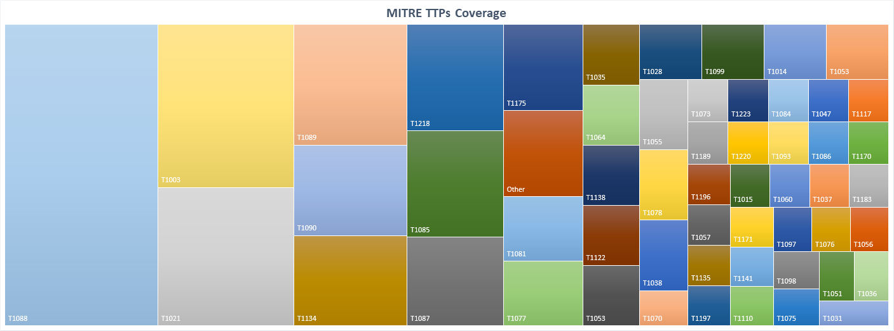
Tactic | Count
Execution | 31
Persistence | 21
DefenseEvasion | 30
Discovery | 9
PrivilegeEscalation | 52
CredentialAccess | 29
LateralMovement | 37
CommandandControl | 7
 | 216
Summary per Tactics

